PRD
Product Requirement Document (PRD) - Version: 1.0

Project Name |  | Online Quiz Management System
Goals & Objective |  | The goal of our project is to make a onlne portal system that can help students attend online quizes to evaluate themselves. From this website : - Students can attend various quizes - Students can see their obtained marks and retake quizes for better marks - Teachers can upload questions. - Moderator can approve questions - Question patterns will be randomized - Questions will be saved on database and can be downloaded.
Client Information
Product Type |  | Web Application
Domain |  | Web2
Access Layers |  | Admin, Moderator, Teacher, Student
Design Required |  | Yes

Phase | Item No | Specification [Role] | Screen Definition | User Story | Acceptance Criteria | UI Screen / Wireframe | Tags
Feature: 1 |  | Auth Feature
phase 1 | 1 | Signup | <Form> <input=first_name> <input=last_name> <input=phone> <input=email> <input=password> <input=user-type> <button=sign_in> <link=login> | - Enter Full name (input) - Enter unregistered email (input) - Enter password (input) [Logic: At least 6 characters long, atleast one special character] - Enter password again (input) [Logic: should match password input] - Choose user type [Teacher,Student] - Click Signup (button) [Logic: If the email is unique, user will be registered to the sysmem (databse)] - Sign in (link) [Logic: redirect user to Login page] | - Email (input) field should only accept valid unregistered email address as input, otherwise will show an 'email already used' message. - Password (input) should be minimum 6 characters long. Otherwise show an invalid message. - Re-password (input) should match password. Otherwise show 'password do not match' message. - User type must be selected. Otherwise show 'Please select a user type'. - On clicking signup button, credential will be stored in database, user will be redirected to his dashboard | 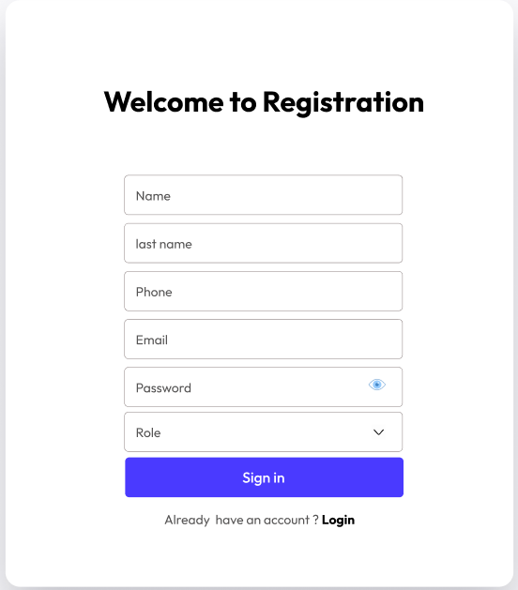 | signup
phase 1 | 2 | Login | <Form> <input=email> <input=password> <button=signin> <link=register_now> <link=forgot_password> | - Enter Email (input) - Enter password (input) - signin (button) - register now (link) - forgot password (link) | - Email must match database email - password must match database password - User go to dashboard (if email & password match with database) - User is promt with an error. "Email or password does not match!". (if email & password match with database) - clicking register now will take user to sign up page - clicking forgot password should take him to forgot password page | 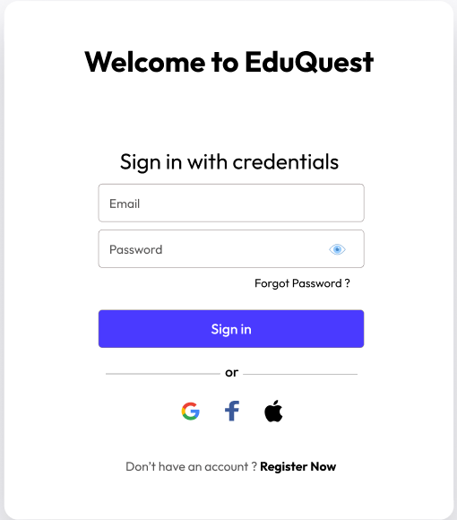 | signin
phase 1 | 3 | Forgot password[Miner] [User] | <Form> <input=email> <button=send code> <input=code> <input=password> <input=confirm Password> <button=submit> | - Enter email (input) - Press send code (button) - Enter new password (input) - Re-type new password (input) - click on change passowrd to update password (button) | - email must match DB email or promt "No email found!" - pressing send code will print a message "code sent!" and the code can be found at user info row. - enter new password [At least 6 characters long, atleast one special character] - re-type new password [it should match new password] - clicking submit button will show user -> "password changed" if all info match criteria or it'll indicate what's wrong |  | forgot_password
Feature: 2 |  | Dashboard
phase 1 | 4 | Get Started | <static_button=Activated> <button=buy_now> <button=buy_now> | -buy now (button) -buy now (button) | - pressing buy now from 29,99$ section will take you to payment methods page - pressing buy now from 59,99$ section will take you to payment methods page | 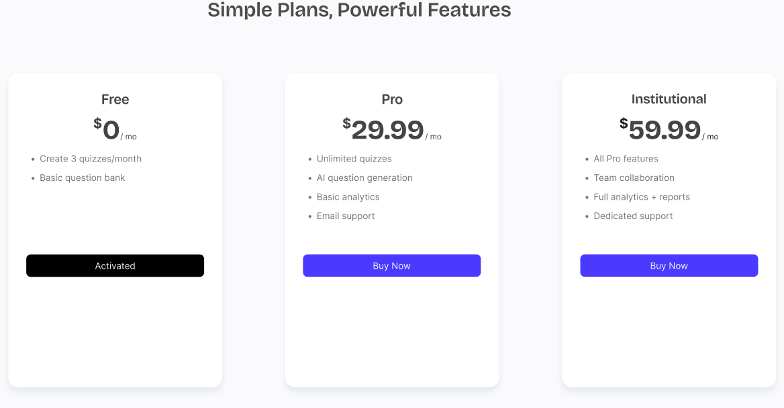 | Menu
 |  | Contact Us | <Form> <input=name> <button=email> <input=message> <button=send_message> | -name (textbox) -email (textbox) -message (textbox) | -name must be filled up -email must be filled up -message must contain atleast 20 letters. -send message button will post a notification to admin and mod panels. | 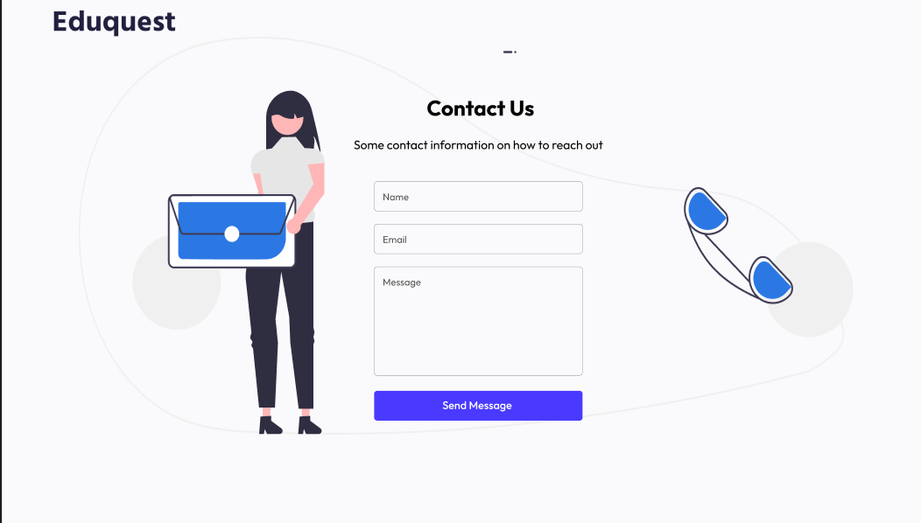
phase 1 | 6 | Resources | <link=Math> <link=English> <link=Science> <link=Physics> <link=General Knowledge> <link=Explore All> | - Math (link) - English (link) - Science (link) - Physics (link) - General Knowledge (link) - Explore All (link) | - Clicking Math will take you to Math Sample Question Page - Clicking English will take you to English Sample Question Page - Clicking Science will take you to Science Sample Question Page - Clicking Physics will take you to Physics Sample Question Page - Clicking General Knowledge will take you to General Knowledge Sample Question Page - Clicking Explore All will take you to All Available Exams page | 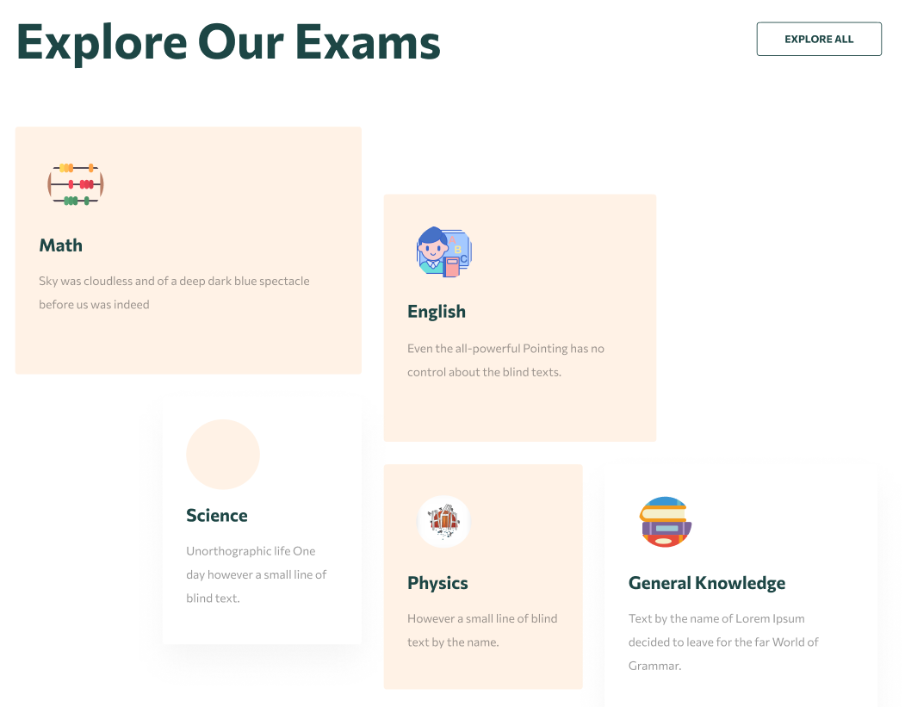
Feature: 3 |  | Top bar and Bottom Bar
phase 1 | 7 | Top bar | <button=Home> About Resources Contact Login Get Started Active Users | - Homepage (link) - About (link) - Resources (link) - Contact (link) - Login(link) - Get Started(link) | - pressing buy now from 29,99$ section will take you to payment methods page - pressing buy now from 59,99$ section will take you to payment methods page | 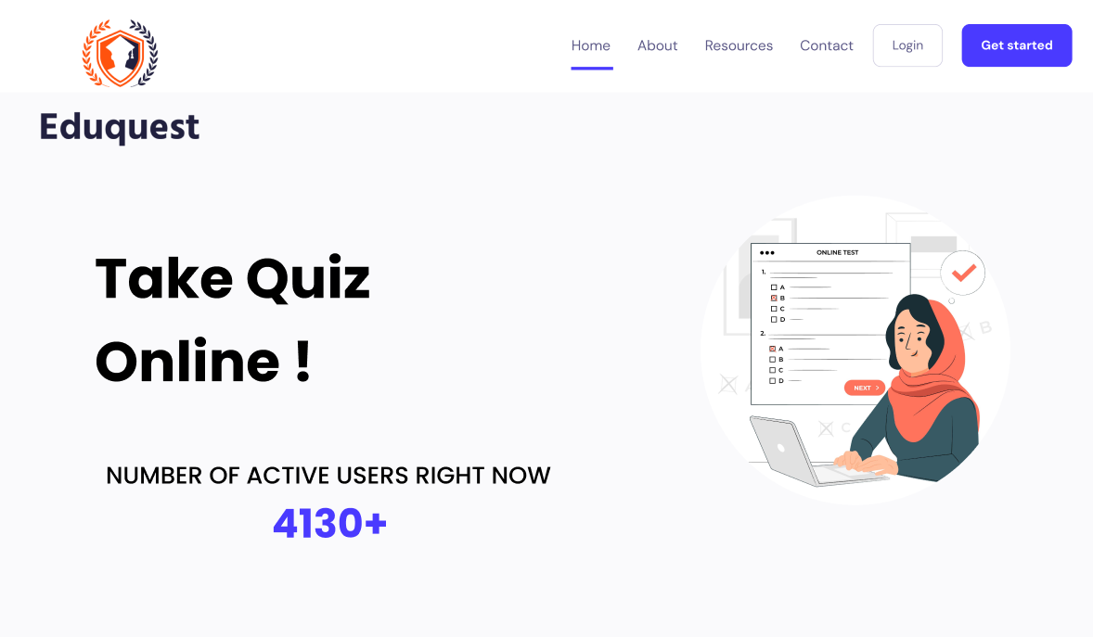
phase 1 | 8 | Bottom Bar | copyright and year | none | -Pressing About us will take user to About us section -Pressing Contact us will take user to Contact us Section -Pressing history button will take user to History page -Clicking Register button will take user to Register page -Clicking Login button will take user to Login page -Return to top button will scroll the page to the top
Feature: 4 |  | Send Money
Feature: 5 |  | Public Ledger
Feature: 6 |  | Block
Feature: 7 |  | Mempool
Feature: 8 |  | Mine Blocks
Feature: 9 |  | Verify Blocks
Feature: 10 |  | Profile
Feature: 11 |  | Transaction details
Feature: 12 |  | Block details
Feature: 13 |  | Notification
Feature: 14 |  | Fllowed User
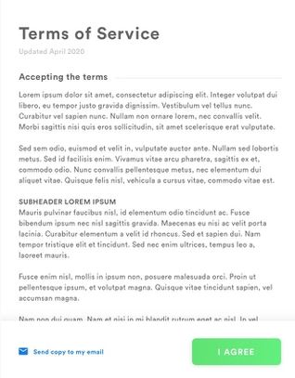
Feature: 15 |  | Legal Agreement Feature
Feature: 16 |  | Transaction History
Feature: 17 |  | About
Feature: 18 |  | Learning Portal
Feature: 19 |  | Deposit
Feature: 20 |  | FAQ
Feature: 21 |  | Currency Converstion
Feature: 22 |  | Request Bitcoin
Feature: 22 |  | Bill Payment

